Commentary and tables from pub
Return to Contents

Classes and Pupils 2019 - Commentary and tables from Summary Statistics for Schools in Scotland, No 9 : 2019 Edition
12.3% of P1-P3 pupils were taught in classes of 18 or fewer compared to 12.1% in 2018.
23.5 Average class size for pupils in primary school – this has remained the same since 2016.

Table 4.1 shows average class sizes for pupils in primary school alongside the overall primary school average. In 2019 the overall average for primary remained at 23.5, unchanged since 2016. The average class size for P1-P3 remained the same as 2017 and 2018 at 23.2. The average class size for P4-7 also remained the same as 2018 at 25.9. Data on class sizes in the secondary sector are not collected as class size varies widely across subjects.

Table 4.1: Average class size of primary school pupils(1)
Headcount
Stage | 2013 | 2014 | 2015 | 2016 | 2017 | 2018 | 2019
P1 | 21.2 | 21.2 | 21.1 | 21.2 | 21.0 | 20.9 | 21.0
P2 | 24.0 | 23.9 | 24.1 | 24.0 | 23.9 | 23.9 | 23.9
P3 | 24.5 | 24.7 | 24.8 | 24.7 | 24.7 | 24.6 | 24.7
P4 | 25.7 | 25.9 | 26.0 | 26.0 | 26.0 | 25.7 | 25.7
P5 | 25.7 | 25.8 | 26.0 | 26.1 | 26.1 | 26.1 | 26.0
P6 | 25.3 | 25.5 | 25.8 | 26.0 | 26.1 | 26.0 | 26.0
P7 | 25.2 | 25.4 | 25.4 | 25.8 | 25.9 | 26.0 | 25.9
P1-P3 | 23.2 | 23.3 | 23.3 | 23.3 | 23.2 | 23.2 | 23.2
P4-P7 | 25.5 | 25.7 | 25.8 | 26.0 | 26.0 | 25.9 | 25.9
Primary | 23.2 | 23.3 | 23.4 | 23.5 | 23.5 | 23.5 | 23.5
(1) Data refers to the average class size of pupils in each stage, not the average class size of single stage classes. The total primary average class size is calculated on a different basis to all the other class sizes shown, see background notes for details.

Table 4.2 shows the number of P1-P3 pupils in publicly funded schools in various class sizes.

The percentage of pupils that were taught in classes of 18 or fewer increased to 12.3% in 2019 from 12.1% in 2018. While the number of pupils taught in classes of 18 or fewer reduced slightly from 20,613 in 2018 to 20,591 in 2019, a reduction in the number of P1-P3 pupils meant that this represented a higher proportion of pupils. The number of pupils taught in classes of 26 or more decreased from 44,712 (26.3%) in 2018 to 43,634 (26.0%).

Table 4.2: P1-P3 pupils by class size(1)
Headcount
Class Size | 2013 | 2014 | 2015 | 2016 | 2017 | 2018 | 2019
0 - 18 | 22,992 | 22,138 | 20,999 | 21,906 | 20,997 | 20,613 | 20,591
19 - 25 | 102,849 | 103,968 | 104,426 | 104,517 | 106,023 | 104,453 | 103,326
26 - 30 | 42,908 | 45,539 | 46,489 | 45,486 | 44,340 | 44,362 | 43,410
31 or more | 736 | 470 | 658 | 807 | 625 | 350 | 224
% in classes of 18 or fewer or in two teacher classes of 36 or fewer | 13.6 | 12.9 | 12.2 | 12.7 | 12.2 | 12.1 | 12.3
(1) The percentage of P1-P3 pupils in classes of 18 or fewer includes two-teacher classes with 36 or fewer. Classes taught by two teachers at all times are treated as two classes of half the size.

Legislation limits class sizes to 25 for P1 pupils and to 30 for P2 and P3 (see background notes for more information). Table 4.3 shows the number of P1 pupils by class size. Some P1 pupils may be in classes of over 25 due to the inclusion of one or more ‘excepted pupils’ (see background note). In 2019 the number of pupils in classes of 26 or more was 267; this was a reduction from 511 in 2018. In 2019, there were 11 classes with 26 or more pupils and at least one P1 pupil. This compares to 19 such classes in 2018.

Table 4.3: P1 pupils by class size
Headcount
Class size | 2013 | 2014 | 2015 | 2016 | 2017 | 2018 | 2019
0 - 18 | 11,968 | 11,558 | 11,213 | 11,737 | 11,925 | 11,326 | 11,393
19 - 25 | 44,864 | 45,544 | 45,307 | 45,102 | 44,195 | 43,254 | 43,525
26 or more | 560 | 451 | 637 | 698 | 631 | 511 | 267

Table 4.4 shows that the percentage of P1-P3 pupils in classes of 18 or fewer varies considerably between local authorities and years. One of the main reasons for this was the differing proportions of schools with a small number of pupils between local authorities.

Table 4.4: P1-P3 pupils in classes of size 18 or fewer or in two teacher classes with a pupil teacher ratio of 18 or fewer
Percentage Headcount
Local Authority | 2013 | 2014 | 2015 | 2016 | 2017 | 2018 | 2019
Aberdeen City | 16.1 | 11.2 | 10.6 | 11.0 | 13.0 | 9.9 | 13.5
Aberdeenshire | 14.9 | 13.3 | 12.4 | 14.7 | 17.7 | 16.0 | 20.0
Angus | 21.0 | 23.1 | 22.4 | 19.6 | 16.5 | 20.1 | 19.2
Argyll and Bute | 45.4 | 34.9 | 24.2 | 27.2 | 27.1 | 34.6 | 28.5
City of Edinburgh | 7.0 | 7.2 | 6.1 | 5.7 | 6.0 | 5.2 | 4.5
Clackmannanshire | 16.1 | 17.8 | 11.8 | 19.7 | 14.1 | 11.8 | 16.5
Dumfries and Galloway | 12.0 | 16.4 | 13.6 | 17.1 | 22.0 | 20.2 | 17.7
Dundee City | 9.4 | 2.8 | 3.4 | 2.6 | 4.4 | 3.1 | 5.9
East Ayrshire | 7.6 | 13.0 | 9.5 | 11.1 | 9.9 | 8.3 | 12.0
East Dunbartonshire | 21.8 | 11.3 | 10.6 | 12.9 | 10.3 | 10.5 | 9.3
East Lothian | 4.3 | 6.3 | 6.0 | 4.2 | 6.5 | 8.8 | 6.1
East Renfrewshire | 7.6 | 15.7 | 9.5 | 16.5 | 12.6 | 11.9 | 18.3
Falkirk | 4.9 | 6.3 | 8.5 | 5.6 | 7.9 | 8.8 | 10.6
Fife | 24.1 | 22.9 | 20.8 | 20.8 | 11.6 | 7.1 | 3.7
Glasgow City | 3.8 | 3.7 | 3.6 | 4.2 | 5.5 | 6.5 | 8.0
Highland | 18.4 | 18.1 | 20.5 | 19.1 | 18.1 | 18.8 | 16.7
Inverclyde | 9.3 | 10.0 | 7.5 | 6.5 | 5.0 | 6.1 | 8.0
Midlothian | 7.7 | 11.7 | 10.3 | 16.7 | 11.2 | 16.2 | 9.4
Moray | 8.9 | 14.1 | 10.8 | 8.0 | 8.1 | 9.0 | 11.0
Na h-Eileanan Siar | 39.8 | 48.0 | 51.3 | 57.8 | 52.3 | 56.4 | 60.4
North Ayrshire | 7.2 | 7.6 | 10.8 | 13.0 | 9.9 | 10.9 | 16.4
North Lanarkshire | 8.1 | 7.7 | 8.6 | 9.8 | 11.4 | 8.9 | 9.4
Orkney Islands | 27.2 | 29.6 | 22.6 | 19.8 | 24.7 | 24.8 | 30.6
Perth and Kinross | 15.7 | 15.1 | 14.3 | 14.7 | 11.0 | 11.8 | 16.7
Renfrewshire | 6.9 | 10.8 | 11.9 | 13.3 | 14.4 | 16.1 | 13.7
Scottish Borders | 21.6 | 12.7 | 14.3 | 10.3 | 14.4 | 12.5 | 10.6
Shetland Islands | 26.5 | 31.2 | 25.5 | 33.9 | 32.2 | 36.2 | 31.3
South Ayrshire | 20.2 | 17.8 | 24.6 | 19.5 | 20.1 | 15.4 | 14.1
South Lanarkshire | 22.9 | 17.7 | 16.1 | 15.5 | 16.8 | 19.2 | 18.1
Stirling | 17.4 | 15.2 | 17.4 | 14.9 | 11.3 | 10.0 | 13.9
West Dunbartonshire | 9.9 | 13.3 | 13.6 | 16.2 | 14.0 | 19.2 | 15.7
West Lothian | 20.3 | 17.0 | 13.6 | 16.3 | 14.7 | 17.1 | 13.6
Scotland(1) | 13.6 | 12.9 | 12.2 | 12.7 | 12.2 | 12.1 | 12.3
(1) The statistics for Scotland include one grant aided mainstream school.

Table 4.5 shows the pupil characteristics primarily used in equalities monitoring. In 2019, 83.9% of pupils were recorded as being White-Scottish or White-other British. The largest other ethnic backgrounds include White-Other (5.6%), Asian Pakistani (2.0%) and mixed (1.4%).

215,897 pupils (30.9% of all pupils) had an additional support need (ASN) recorded. This was an increase of 2.2 percentage points on 2018 (199,065 pupils with an ASN record, 28.7% of all pupils). The number of pupils identified with ASN has increased markedly since 2010 and there continue to be year on year increases. These increases were likely due in part to continued improvements in recording and the introduction of the additional need types 'Child plans' and ‘Other’ in 2011.

Statistics on additional support needs include pupils in special schools and those in mainstream schools who are assessed or declared disabled or have a Co-ordinated Support Plan (CSP), Individualised Education Programme (IEP), Child Plan or some other type of support. Pupils may have more than one type of ASN, therefore the totals for ASN do not equal the sum of individual types of ASN.

Table 4.5: Pupil characteristics(1)
Headcount
 | Female | Male | Total
Total Pupils | 342,551 | 355,438 | 697,989
Ethnicity
White – Scottish | 267,282 | 276,959 | 544,241
White – Other British | 20,185 | 21,140 | 41,325
White – Gypsy/Traveller | 668 | 719 | 1,387
White - Other | 19,167 | 19,972 | 39,139
Mixed | 5,080 | 4,986 | 10,066
Asian – Indian | 3,237 | 3,361 | 6,598
Asian – Pakistani | 6,897 | 7,204 | 14,101
Asian – Bangladeshi | 600 | 595 | 1,195
Asian – Chinese | 2,156 | 2,171 | 4,327
Asian – Other | 2,090 | 2,118 | 4,208
Caribbean/Black | 624 | 674 | 1,298
African | 4,277 | 4,273 | 8,550
Other | 3,560 | 3,956 | 7,516
Not known | 5,083 | 5,425 | 10,508
Not disclosed | 1,609 | 1,800 | 3,409
English as an Additional Language | 22,398 | 24,553 | 46,951
Additional support needs (ASN)
CSP (Co-ordinated Support Plan) | 639 | 1,068 | 1,707
IEP (Individualised Education Programme) | 11,306 | 24,350 | 35,656
Child Plans | 15,613 | 27,168 | 42,781
Assessed/Declared Disabled | 5,873 | 12,592 | 18,465
Other(2) | 73,554 | 97,081 | 170,635
All pupils with ASN(3) | 89,709 | 126,188 | 215,897
All pupils with ASN (excluding Other type)(3) | 26,497 | 48,813 | 75,310
(1) Statistics for ethnicity and English as an Additional Language do not include grant-aided special schools as this information is not collected. There were 121 pupils at grant-aided special schools in 2018.
(2) See the background notes for further information on what the other category includes.
(3) Pupils may have more than one type of ASN, therefore the totals for ASN may not equal the sum of individual types of ASN.

Chart 1
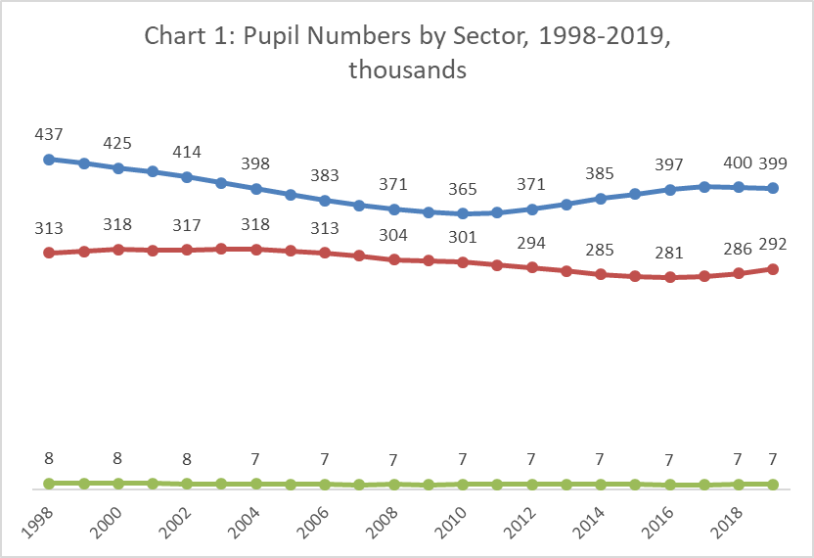
Return to contents
Chart 1: Pupil numbers by sector (thoudands), 1998-2019
 |  | Primary | Secondary | Special
 | 1998 | 437 | 313 | 8
 | 1999 | 431 | 315 | 8
 | 2000 | 425 | 318 | 8
 | 2001 | 421 | 316 | 8
 | 2002 | 414 | 317 | 8
 | 2003 | 406 | 318 | 8
 | 2004 | 398 | 318 | 7
 | 2005 | 390 | 316 | 7
 | 2006 | 383 | 313 | 7
 | 2007 | 376 | 310 | 7
 | 2008 | 371 | 304 | 7
 | 2009 | 367 | 303 | 7
 | 2010 | 365 | 301 | 7
 | 2011(1) | 366 | 297 | 7
 | 2012(1) | 371 | 294 | 7
 | 2013(1) | 377 | 289 | 7
 | 2014(1) | 385 | 285 | 7
 | 2015(1) | 391 | 282 | 7
 | 2016(1) | 397 | 281 | 7
 | 2017 | 400 | 282 | 7
 | 2018 | 400 | 286 | 7
 | 2019 | 399 | 292 | 7
(1) 2011-2016 special pupil figures were updated in November 2018. See background notes for details.

Chart 2
Return to contents

Chart 2: Pupils with Additional Support Needs in mainstream schools, primary and secondary, 2005-2019(1)
 |  | Primary |  |  |  |  |  |  |  |  |  |  |  |  |  |  | Secondary
 |  | 2005 | 2006 | 2007 | 2008 | 2009 | 2010 | 2011 | 2012 | 2013 | 2014 | 2015 | 2016(2) | 2017 | 2018 | 2019 | 2005 | 2006 | 2007 | 2008 | 2009 | 2010 | 2011 | 2012 | 2013 | 2014 | 2015 | 2016(2) | 2017 | 2018 | 2019
 | All the time in mainstream classes | 13,246 | 13,487 | 14,452 | 15,537 | 17,802 | 32,051 | 48,758 | 60,276 | 67,025 | 71,756 | 77,285 | 85,922 | 91,326 | 98,905 | 104,889 | 9,542 | 10,661 | 10,988 | 12,079 | 15,593 | 26,325 | 38,433 | 46,375 | 53,082 | 57,102 | 64,229 | 72,986 | 79,579 | 86,886 | 96,008
 | Some time spent in mainstream class | 1,852 | 2,001 | 1,552 | 1,573 | 1,583 | 1,624 | 1,691 | 1,650 | 1,715 | 1,750 | 1,751 | 1,703 | 1,858 | 1,485 | 1,473 | 2,027 | 2,067 | 1,844 | 1,702 | 1,545 | 1,771 | 1,674 | 1,620 | 1,457 | 1,469 | 1,568 | 1,603 | 2,172 | 2,580 | 3,637
 | No time in mainstream classes | 423 | 451 | 474 | 516 | 496 | 490 | 536 | 646 | 773 | 821 | 803 | 892 | 941 | 1,168 | 1,273 | 450 | 506 | 523 | 553 | 485 | 526 | 458 | 491 | 585 | 663 | 636 | 668 | 961 | 1,219 | 1,485
 | Total | 15,521 | 15,939 | 16,478 | 17,626 | 19,881 | 34,165 | 50,985 | 62,572 | 69,513 | 74,327 | 79,839 | 88,517 | 94,125 | 101,558 | 107,635 | 12,019 | 13,234 | 13,355 | 14,334 | 17,623 | 28,622 | 40,565 | 48,486 | 55,124 | 59,234 | 66,433 | 75,257 | 82,712 | 90,685 | 101,130

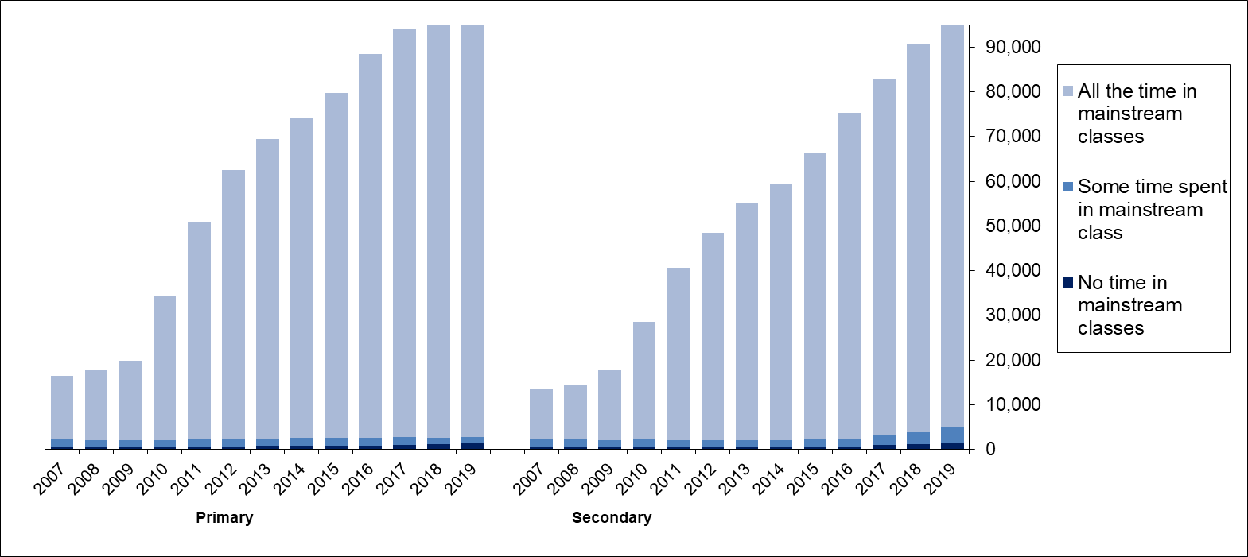

 | (1) See background notes for information on changes to the recording and reporting of pupils with ASN.
 | (2) 2016 primary and secondary ASN figures were updated in November 2018. See background notes for details.

Chart 4
Return to contents
Chart 4: Pupils by ethnicity, 2019(1)
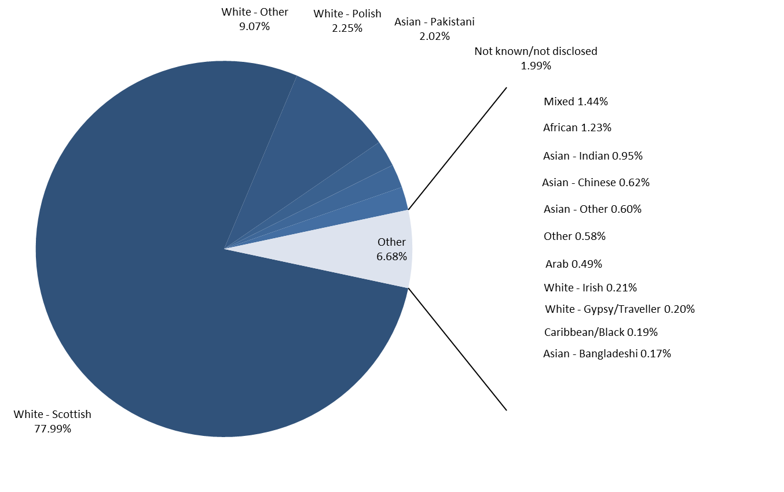

(1) Does not include pupils based at grant aided special schools as ethnicity information is not collected for them.

